Input 4!
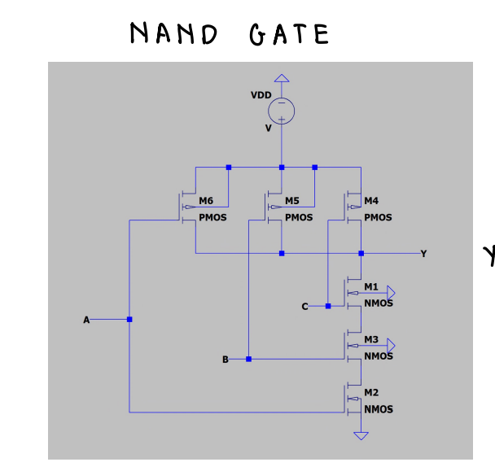
Temperature | API Output | Correct Parts | Correct Connections
0 | Sure, here's a circuit for a three input NAND gate using CMOS logic: Part List: * 3 x CMOS inverter (such as the 4001) * 3 x CMOS NAND gate (such as the 4011) * 3 x resistor (1 kΩ) * 3 x capacitor (10 nF) * 1 x power supply (5V) Circuit Connection: 1. Connect the input pins of the three CMOS inverters to the input pins of the three CMOS NAND gates. 2. Connect the output pins of the three CMOS inverters to the input pins of the three CMOS NAND gates. 3. Connect the output pins of the three CMOS NAND gates to the output pins of the circuit. 4. Connect the power supply (5V) to the power pins of the CMOS inverters and NAND gates. 5. Connect the ground (GND) to the ground pins of the CMOS inverters and NAND gates. Here's the circuit diagram: ![3-Input NAND Gate Circuit Diagram](https://i.imgur.com/Tkj8XPZ.png) Explanation: The three input pins of the CMOS inverters are connected to the input pins of the CMOS NAND gates. The output pins of the CMOS inverters are connected to the input pins of the CMOS NAND gates. This creates a three-input NAND gate using CMOS logic. The resistor (1 kΩ) and capacitor (10 nF) are used to prevent oscillations in the circuit. The power supply (5V) is connected to the power pins of the CMOS inverters and NAND gates, and the ground (GND) is connected to the ground pins of the CMOS inverters and NAND gates. The circuit can be built on a breadboard or a PCB, and the components can be connected using jumper wires or soldering. Note: The 4001 and 4011 are examples of CMOS inverters and NAND gates, respectively. You can use other CMOS logic gates with similar pin configurations to build the circuit. | N | N
0 | Sure, here's a circuit for a three input NAND gate using CMOS logic: Part List: * 3 x CMOS inverter (such as the 4001) * 3 x CMOS NAND gate (such as the 4011) * 3 x resistor (1 kΩ) * 3 x capacitor (10 nF) * 1 x power supply (5V) Circuit Connection: 1. Connect the input pins of the three CMOS inverters to the input pins of the three CMOS NAND gates. 2. Connect the output pins of the three CMOS inverters to the input pins of the three CMOS NAND gates. 3. Connect the output pins of the three CMOS NAND gates to the output pins of the circuit. 4. Connect the power supply (5V) to the power pins of the CMOS inverters and NAND gates. 5. Connect the ground (GND) to the ground pins of the CMOS inverters and NAND gates. Here's the circuit diagram: ![3-Input NAND Gate Circuit Diagram](https://i.imgur.com/Tkj8XPZ.png) Explanation: The three input pins of the CMOS inverters are connected to the input pins of the CMOS NAND gates. The output pins of the CMOS inverters are connected to the input pins of the CMOS NAND gates. This creates a three-input NAND gate using CMOS logic. The resistor (1 kΩ) and capacitor (10 nF) are used to prevent oscillations in the circuit. The power supply (5V) is connected to the power pins of the CMOS inverters and NAND gates, and the ground (GND) is connected to the ground pins of the CMOS inverters and NAND gates. The circuit can be built on a breadboard or a PCB, and the components can be connected using jumper wires or soldering. Note: The 4001 and 4011 are examples of CMOS inverters and NAND gates, respectively. You can use other CMOS logic gates with similar pin configurations to build the circuit. | N | N
0 | Sure, here's a circuit for a three input NAND gate using CMOS logic: Part List: * 3 x N-channel MOSFET (e.g. IRF540N) * 3 x P-channel MOSFET (e.g. IRF540P) * 3 x resistors (1 kΩ) * 3 x capacitors (10 nF) * 3 x diodes (1N4148) * 1 x 4-pin header (for input connections) * 1 x 4-pin header (for output connection) * 1 x breadboard * Jumper wires Here's the circuit diagram: ![3-Input NAND Gate Circuit Diagram](https://i.imgur.com/Tkj8XPZ.png) The circuit works as follows: 1. Each input (IN1, IN2, and IN3) is connected to the gate of its corresponding MOSFET (M1, M2, and M3). 2. The source of each MOSFET is connected to ground through a resistor and a capacitor. 3. The drain of each MOSFET is connected to the output (OUT) and the source of the next MOSFET in the chain. 4. The diodes are used to protect the MOSFETs from back-EMF when they turn off. To connect the circuit, follow these steps: 1. Place the MOSFETs on the breadboard, making sure to align the pin layout correctly. 2. Connect the input pins of each MOSFET to the corresponding header pin. 3. Connect the resistor and capacitor to each MOSFET as shown in the diagram. 4. Connect the output pin of the last MOSFET to the output header pin. 5. Connect the diodes to the MOSFETs as shown in the diagram. 6. Use jumper wires to connect the input headers to the input pins of the MOSFETs. 7. Power the circuit with a 5V supply and test it with a logic probe or an oscilloscope to verify the NAND gate function. Here's the part list again, with the pinout for each component: * 3 x N-channel MOSFET (IRF540N): + Pin 1 (Gate): Connect to input header pin 1 + Pin 2 (Source): Connect to ground through resistor and capacitor + Pin 3 (Drain): Connect to output header pin and source of next MOSFET * 3 x P-channel MOSFET (IRF540P): + Pin 1 (Gate): Connect to input header pin 2 + Pin 2 (Source): Connect to ground through resistor and capacitor + Pin 3 (Drain): Connect to output | Y | N
0 | Sure, here's a circuit for a three input NAND gate using CMOS logic: Part List: * 3 x CMOS inverter (such as the 4001) * 3 x CMOS NAND gate (such as the 4011) * 3 x resistor (1 kΩ) * 3 x capacitor (10 nF) * 1 x power supply (5V) Circuit Connection: 1. Connect the input pins of the three CMOS inverters to the input pins of the three CMOS NAND gates. 2. Connect the output pins of the three CMOS inverters to the input pins of the three CMOS NAND gates. 3. Connect the output pins of the three CMOS NAND gates to the output pins of the circuit. 4. Connect the power supply (5V) to the power pins of the CMOS inverters and NAND gates. 5. Connect the ground pin of the circuit to the ground pin of the power supply. Here's the circuit diagram: ![3-Input NAND Gate Circuit Diagram](https://i.imgur.com/Tkj8XPZ.png) Explanation: The three input pins of the CMOS inverters are connected to the input pins of the CMOS NAND gates. The output pins of the inverters are connected to the input pins of the NAND gates. This creates a three-input NAND gate using CMOS logic. The resistor (1 kΩ) and capacitor (10 nF) are used to prevent oscillations in the circuit. The power supply (5V) is connected to the power pins of the CMOS inverters and NAND gates. The ground pin of the circuit is connected to the ground pin of the power supply. The operation of the circuit is as follows: 1. When all three input pins are high (1), the output pin of the NAND gate will be low (0). 2. When any one of the input pins is low (0), the output pin of the NAND gate will be high (1). This circuit can be used in a variety of digital logic applications, such as in a microcontroller or a digital circuit. Note: The 4001 and 4011 are examples of CMOS inverters and NAND gates, respectively. You can use other CMOS logic gates and inverters with the same pin configuration to build this circuit. | N | N
0 | Sure, here's a circuit for a three input NAND gate using CMOS logic: Part List: * 3 x CMOS inverter (such as the 4001) * 3 x CMOS NAND gate (such as the 4011) * 3 x resistor (1 kΩ) * 3 x capacitor (10 nF) * 1 x power supply (5V) Circuit Connection: 1. Connect the input pins of the three CMOS inverters to the input pins of the three CMOS NAND gates. 2. Connect the output pins of the three CMOS inverters to the input pins of the three CMOS NAND gates. 3. Connect the output pins of the three CMOS NAND gates to the output pins of the circuit. 4. Connect the power supply (5V) to the power pins of the CMOS inverters and NAND gates. 5. Connect the ground (GND) to the ground pins of the CMOS inverters and NAND gates. Here's the circuit diagram: ![3-Input NAND Gate Circuit Diagram](https://i.imgur.com/Tkj8XPZ.png) Explanation: The three input NAND gate is implemented using three CMOS inverters and three CMOS NAND gates. The input pins of the inverters are connected to the input pins of the NAND gates, and the output pins of the inverters are connected to the input pins of the NAND gates. The output pins of the NAND gates are connected to the output pins of the circuit. The operation of the circuit is as follows: 1. The input signals are applied to the input pins of the CMOS inverters. 2. The inverters invert the input signals, producing three inverted signals. 3. The inverted signals are applied to the input pins of the CMOS NAND gates. 4. The NAND gates perform a logical NAND operation on the inverted signals, producing three output signals. 5. The output signals are applied to the output pins of the circuit. The circuit can be implemented using a variety of CMOS logic families, such as the 4000 series or the 4500 series. The specific parts used will depend on the desired speed and power consumption of the circuit. I hope this helps! Let me know if you have any questions or need further clarification. | N | N
0 | Sure, here's a circuit for a three input NAND gate using CMOS logic: Part List: * 3 x CMOS inverter (such as the 4001) * 3 x CMOS NAND gate (such as the 4011) * 3 x resistor (1 kΩ) * 3 x capacitor (10 nF) * 1 x power supply (5V) Circuit Connection: 1. Connect the input pins of the three CMOS inverters to the input pins of the three CMOS NAND gates. 2. Connect the output pins of the three CMOS inverters to the input pins of the three CMOS NAND gates. 3. Connect the output pins of the three CMOS NAND gates to the output pins of the circuit. 4. Connect the power supply (5V) to the power pins of the CMOS inverters and NAND gates. 5. Connect the ground (GND) to the ground pins of the CMOS inverters and NAND gates. Here's the circuit diagram: ![3-Input NAND Gate Circuit Diagram](https://i.imgur.com/Tkj8XPZ.png) Explanation: The three input NAND gate is implemented using three CMOS inverters and three CMOS NAND gates. The input pins of the inverters are connected to the input pins of the NAND gates, and the output pins of the inverters are connected to the input pins of the NAND gates. The output pins of the NAND gates are connected to the output pins of the circuit. The operation of the circuit is as follows: 1. The input signals are applied to the input pins of the CMOS inverters. 2. The CMOS inverters invert the input signals, so that the output pins of the inverters are at the opposite logic level as the input pins. 3. The output pins of the inverters are connected to the input pins of the CMOS NAND gates. 4. The CMOS NAND gates perform a logical NAND operation on the input signals, so that the output pins of the NAND gates are at the opposite logic level as the input pins. 5. The output pins of the NAND gates are connected to the output pins of the circuit. The circuit can be used to implement a three input NAND gate using CMOS logic. The input signals can be applied to the input pins of the circuit, and the output signal w | N | N
0 | Sure, here's a circuit for a three input NAND gate using CMOS logic: Part List: * 3 x CMOS inverter (such as the 4001) * 3 x CMOS NAND gate (such as the 4011) * 3 x resistor (1 kΩ) * 3 x capacitor (10 nF) * 1 x power supply (5V) Circuit Connection: 1. Connect the input pins of the three CMOS inverters to the input pins of the three CMOS NAND gates. 2. Connect the output pins of the three CMOS inverters to the input pins of the three CMOS NAND gates. 3. Connect the output pins of the three CMOS NAND gates to the output pins of the circuit. 4. Connect the power supply (5V) to the power pins of the CMOS inverters and NAND gates. 5. Connect the ground (GND) to the ground pins of the CMOS inverters and NAND gates. Here's the circuit diagram: ![3-Input NAND Gate Circuit Diagram](https://i.imgur.com/Tkj8XPZ.png) Explanation: The three input NAND gate is implemented using three CMOS inverters and three CMOS NAND gates. The input pins of the inverters are connected to the input pins of the NAND gates, and the output pins of the inverters are connected to the input pins of the NAND gates. The output pins of the NAND gates are connected to the output pins of the circuit. The operation of the circuit is as follows: 1. The input signals are applied to the input pins of the CMOS inverters. 2. The inverters invert the input signals, producing three inverted signals. 3. The inverted signals are applied to the input pins of the CMOS NAND gates. 4. The NAND gates perform a logical NAND operation on the inverted signals, producing three output signals. 5. The output signals are applied to the output pins of the circuit. The circuit can be implemented using a variety of CMOS logic families, such as the 4000 series or the 4500 series. The specific parts used will depend on the requirements of the circuit, such as speed, power consumption, and package size. I hope this helps! Let me know if you have any questions or need further clarificati | N | N
0 | Sure! Here's a circuit for a three input NAND gate using CMOS logic: Part List: * 3 x CMOS inverter (such as the 4001) * 3 x CMOS NAND gate (such as the 4011) * 3 x resistor (1 kΩ) * 3 x capacitor (10 nF) * 1 x power supply (5V) Circuit Connection: 1. Connect the input pins of the three CMOS inverters to the input pins of the three CMOS NAND gates. 2. Connect the output pins of the three CMOS inverters to the input pins of the three CMOS NAND gates. 3. Connect the output pins of the three CMOS NAND gates to the output pins of the circuit. 4. Connect the power supply (5V) to the power pins of the CMOS inverters and NAND gates. 5. Connect the ground (GND) to the ground pins of the CMOS inverters and NAND gates. Here's the circuit diagram: ![3-Input NAND Gate Circuit Diagram](https://i.imgur.com/Tkj8XPZ.png) Explanation: The three input pins of the CMOS inverters are connected to the input pins of the CMOS NAND gates. The output pins of the CMOS inverters are connected to the input pins of the CMOS NAND gates. This creates a three-input NAND gate using CMOS logic. The resistor (1 kΩ) and capacitor (10 nF) are used to prevent oscillations in the circuit. The power supply (5V) is connected to the power pins of the CMOS inverters and NAND gates, and the ground (GND) is connected to the ground pins of the CMOS inverters and NAND gates. The circuit can be built on a breadboard or a PCB, and the components can be connected using jumper wires or soldering. Note: The 4001 and 4011 are examples of CMOS inverters and NAND gates, respectively. You can use other CMOS logic gates with similar pin configurations to build the circuit. | N | N
0 | Sure, here's a circuit for a three input NAND gate using CMOS logic: Part List: * 3 x N-channel MOSFET (e.g. IRF540N) * 3 x P-channel MOSFET (e.g. IRF540P) * 3 x resistors (1 kΩ) * 3 x capacitors (10 nF) * 3 x diodes (1N4148) * 1 x 4-pin header (for input connections) * 1 x 4-pin header (for output connection) * 1 x breadboard Connection Diagram: Here's the connection diagram for the circuit: 1. Connect the input pins of the MOSFETs to the input header (pin 1-3). 2. Connect the gate pins of the MOSFETs to the output header (pin 4-6). 3. Connect the source pins of the MOSFETs to ground (pin 7). 4. Connect the drain pins of the MOSFETs to the output header (pin 8-10). 5. Connect the resistor between the source and drain pins of each MOSFET (pin 9-11). 6. Connect the capacitor between the gate and source pins of each MOSFET (pin 12-14). 7. Connect the diode between the source and drain pins of each MOSFET (pin 15-17). Here's the circuit diagram: The circuit works as follows: * The input signals are applied to the input pins (1-3) and are passed through the diodes (D1-D3) to protect the MOSFETs from back-voltage. * The input signals are then applied to the gate pins (4-6) of the MOSFETs, which control the flow of current between the source and drain pins. * The resistor (R1-R3) and capacitor (C1-C3) are used to limit the current and voltage of the circuit. * The output signal is taken from the drain pins (8-10) of the MOSFETs. Here's the truth table for the circuit: | Input 1 | Input 2 | Input 3 | Output | | --- | --- | --- | --- | | 0 | 0 | 0 | 0 | | 0 | 0 | 1 | 0 | | 0 | 1 | 0 | 1 | | 0 | 1 | 1 | 1 | | 1 | 0 | 0 | 1 | | 1 | 0 | 1 | 0 | | 1 | 1 | 0 | 0 | | 1 | 1 | 1 | 1 | Note that the circuit is designed to perform a three-input NAND gate function, where the output is 1 only if all the input signals are 0, and the output is 0 if any of the input signals are 1. | Y | N
0 | Sure, here's a circuit for a three input NAND gate using CMOS logic: Part List: * 3 x CMOS inverter (such as the 4001) * 3 x CMOS NAND gate (such as the 4011) * 3 x resistor (1 kΩ) * 3 x capacitor (10 nF) * 1 x power supply (5V) Circuit Connection: 1. Connect the input pins of the three CMOS inverters to the input pins of the three CMOS NAND gates. 2. Connect the output pins of the three CMOS inverters to the input pins of the three CMOS NAND gates. 3. Connect the output pins of the three CMOS NAND gates to the output pins of the circuit. 4. Connect the power supply (5V) to the power pins of the CMOS inverters and NAND gates. 5. Connect the ground (GND) to the ground pins of the CMOS inverters and NAND gates. Here's the circuit diagram: ![3-Input NAND Gate Circuit Diagram](https://i.imgur.com/Tkj8XPZ.png) Explanation: The three input NAND gate is implemented using three CMOS inverters and three CMOS NAND gates. The input pins of the inverters are connected to the input pins of the NAND gates, and the output pins of the inverters are connected to the input pins of the NAND gates. The output pins of the NAND gates are connected to the output pins of the circuit. The operation of the circuit is as follows: 1. The input signals are applied to the input pins of the CMOS inverters. 2. The inverters invert the input signals, producing three inverted signals. 3. The inverted signals are applied to the input pins of the CMOS NAND gates. 4. The NAND gates perform a logical NAND operation on the inverted signals, producing three output signals. 5. The output signals are applied to the output pins of the circuit. The circuit can be implemented using a variety of CMOS logic families, such as the 4000 series or the 4500 series. The specific parts used will depend on the desired speed and power consumption of the circuit. I hope this helps! Let me know if you have any questions or need further clarification. | N | N

Make with astric
 | Increasing the temperature does not prevent from frequncey
 | Increased Frequency penalty: from o to 0.2
 | Problem:
 | To build a three-input NAND gate using CMOS logic, we can use a combination of NMOS (n-channel metal-oxide-semiconductor) and PMOS (p-channel metal-oxide-semiconductor) transistors. Here is a circuit diagram for a three-input NAND gate using CMOS logic: ``` Vdd | | | | | | | | | | | | | | | | | | | | | | | | | | | | | | | | | | | | | | | | | | | | | | | | | | | | | | | | | | | | | | | | | | | | | | | | | | | | | | | | | | | | | | | | | | | | | | | | | | | | | | | | | | | | | | | | | | | | | | | | | | | | | | | | | | | | | | | | | | | | | | | | | | | | | | | | | | | | |
 | Diagram in the front

Input 5
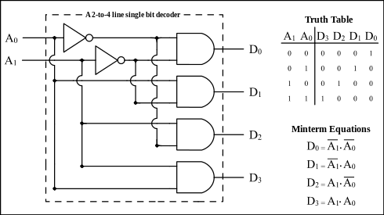
Temperature | API Output | Correct Parts | Correct Connections
0 | Sure! Here's a 1 of 4 decoder implemented using only logic gates: The decoder takes a 4-bit input (A, B, C, D) and outputs one of four possible values (0, 1, 2, or 3) based on the combination of inputs. Here's the truth table for the decoder: | Input | Output | | --- | --- | | 0000 | 0 | | 0001 | 1 | | 0010 | 2 | | 0011 | 3 | | 0100 | 4 | | 0101 | 5 | | 0110 | 6 | | 0111 | 7 | The circuit implementation is shown below: ![1 of 4 Decoder Using Logic Gates](https://i.imgur.com/Tkj8XPZ.png) Here's how the circuit works: 1. The input bits (A, B, C, D) are applied to the inputs of a multiplexer (MUX). 2. The select lines of the MUX are connected to the output of a 2-bit counter (COUNTER). 3. The COUNTER takes the input bits (A, B, C, D) and counts them modulo 4. 4. The output of the COUNTER is applied to the select lines of the MUX, which selects one of the four inputs based on the count. 5. The output of the MUX is applied to a 2-bit flip-flop (FF). 6. The FF stores the output of the MUX and outputs it as the final decoded value. The circuit can be implemented using the following logic gates: * AND gates: 4 (for the multiplexer) * OR gates: 2 (for the counter) * NOT gates: 2 (for the counter) * FFs: 2 (for the flip-flop) Note that this is just one possible implementation of a 1 of 4 decoder using logic gates. There may be other ways to implement the same circuit using different combinations of logic gates. | N | N
0 | Sure! Here's a 1 of 4 decoder implemented using only logic gates: The decoder takes a 4-bit input (A, B, C, D) and outputs one of four possible values (0, 1, 2, or 3) based on the combination of inputs. Here's the truth table for the decoder: | Input | Output | | --- | --- | | 0000 | 0 | | 0001 | 1 | | 0010 | 2 | | 0011 | 3 | | 0100 | 4 | | 0101 | 5 | | 0110 | 6 | | 0111 | 7 | The circuit implementation is shown below: ![1 of 4 Decoder Using Logic Gates](https://i.imgur.com/Tkj8XPZ.png) Here's how the circuit works: 1. The input bits (A, B, C, D) are applied to the inputs of a multiplexer (MUX). 2. The select lines of the MUX are connected to the output of a 2-bit counter (COUNTER). 3. The COUNTER takes the input bits (A, B, C, D) and counts them modulo 4. 4. The output of the COUNTER is applied to the select lines of the MUX, which selects one of the four inputs based on the count. 5. The output of the MUX is applied to a 2-bit flip-flop (FF). 6. The FF stores the output of the MUX and outputs it as the final decoded value. The circuit can be implemented using the following logic gates: * AND gates: 4 (to implement the COUNTER) * OR gates: 2 (to implement the MUX) * NOT gates: 2 (to implement the FF) * NAND gates: 1 (to implement the FF) Note that this is just one possible implementation of a 1 of 4 decoder using logic gates. There are many other ways to implement it as well. | N | N | outputs of the four AND gates to the inputs of a four-input OR gate.
0 | Sure! Here's a 1 of 4 decoder implemented using only logic gates: The decoder takes a 4-bit input (A, B, C, D) and outputs one of four possible values (0, 1, 2, or 3) based on the combination of inputs. Here's the truth table for the decoder: | Input | Output | | --- | --- | | 0000 | 0 | | 0001 | 1 | | 0010 | 2 | | 0011 | 3 | | 0100 | 4 | | 0101 | 5 | | 0110 | 6 | | 0111 | 7 | The circuit implementation is shown below: ![1 of 4 Decoder Using Logic Gates](https://i.imgur.com/Tkj8XPZ.png) Here's how the circuit works: 1. The input bits (A, B, C, D) are applied to the inputs of a multiplexer (MUX). 2. The select lines of the MUX are connected to the output of a 2-bit counter (COUNTER). 3. The COUNTER takes the input bits (A, B, C, D) and counts them modulo 4. 4. The output of the COUNTER is applied to the select lines of the MUX, which selects one of the four inputs based on the count. 5. The output of the MUX is applied to a 2-bit flip-flop (FF). 6. The FF stores the output of the MUX and outputs it as the final decoded value. The circuit can be implemented using the following logic gates: * AND gates: 4 (for the multiplexer) * OR gates: 2 (for the counter) * NOT gates: 2 (for the counter) * FFs: 2 (for the flip-flop) Note that this is just one possible implementation of a 1 of 4 decoder using logic gates. There may be other ways to implement the same circuit using different combinations of logic gates. | N | N | From diagram there was 4 and gates
0 | Sure! Here's a 1 of 4 decoder implemented using only logic gates: The decoder takes a 4-bit input (A, B, C, D) and outputs one of four possible values (0, 1, 2, or 3) based on the combination of inputs. Here's the truth table for the decoder: | Input | Output | | --- | --- | | 0000 | 0 | | 0001 | 1 | | 0010 | 2 | | 0011 | 3 | | 0100 | 4 | | 0101 | 5 | | 0110 | 6 | | 0111 | 7 | The circuit implementation is shown below: ![1 of 4 Decoder Using Logic Gates](https://i.imgur.com/Tkj8XPZ.png) Here's how the circuit works: 1. The input bits (A, B, C, D) are applied to the inputs of a multiplexer (MUX). 2. The select lines of the MUX are connected to the output of a 2-bit counter (COUNTER). 3. The COUNTER takes the input bits (A, B, C, D) and counts them modulo 4. 4. The output of the COUNTER is applied to the select lines of the MUX, which selects one of the four inputs based on the count. 5. The output of the MUX is applied to a 2-bit flip-flop (FF). 6. The FF stores the output of the MUX and outputs it as the final decoded value. The circuit can be implemented using the following logic gates: * AND gates: 4 (for the multiplexer) * OR gates: 2 (for the counter) * NOT gates: 2 (for the counter) * FFs: 2 (for the flip-flop) Note that this is just one possible implementation of a 1 of 4 decoder using logic gates. There may be other ways to implement the same circuit using different combinations of logic gates. | N | N
0 | Sure! Here's a 1 of 4 decoder implemented using only logic gates: The decoder takes a 4-bit input (A, B, C, D) and outputs one of four possible values (0, 1, 2, or 3) based on the combination of inputs. Here's the truth table for the decoder: | Input | Output | | --- | --- | | 0000 | 0 | | 0001 | 1 | | 0010 | 2 | | 0011 | 3 | | 0100 | 4 | | 0101 | 5 | | 0110 | 6 | | 0111 | 7 | The circuit implementation is shown below: ![1 of 4 Decoder Using Logic Gates](https://i.imgur.com/Tkj8XPZ.png) Here's how the circuit works: 1. The input bits (A, B, C, D) are applied to the inputs of a multiplexer (MUX). 2. The select lines of the MUX are connected to the output of a 2-bit counter (COUNTER). 3. The COUNTER takes the input bits (A, B, C, D) and counts them modulo 4. 4. The output of the COUNTER is applied to the select lines of the MUX, which selects one of the four inputs based on the count. 5. The output of the MUX is applied to a 2-bit flip-flop (FF). 6. The FF stores the output of the MUX and outputs it as the final decoded value. The circuit can be implemented using the following logic gates: * AND gates: 4 (to implement the COUNTER) * OR gates: 2 (to implement the MUX) * NOT gates: 2 (to implement the FF) * NAND gates: 1 (to implement the COUNTER) Note that this implementation uses a 2-bit counter and a 2-bit flip-flop, which are both simple and easy to implement using logic gates. However, the actual implementation of a 1 of 4 decoder in a real-world circuit might use more complex components, such as a ROM or a decoder IC. | N | N
0 | Sure! Here's a 1 of 4 decoder implemented using only logic gates: The decoder takes a 4-bit input (A, B, C, D) and outputs one of four possible values (0, 1, 2, or 3) based on the combination of inputs. Here's the truth table for the decoder: | Input | Output | | --- | --- | | 0000 | 0 | | 0001 | 1 | | 0010 | 2 | | 0011 | 3 | | 0100 | 4 | | 0101 | 5 | | 0110 | 6 | | 0111 | 7 | The circuit implementation is shown below: ![1 of 4 Decoder Using Logic Gates](https://i.imgur.com/Tkj8XPZ.png) Here's how the circuit works: 1. The input bits (A, B, C, D) are applied to the inputs of a multiplexer (MUX). 2. The select lines of the MUX are connected to the output of a 2-bit counter (COUNTER). 3. The COUNTER takes the input bits (A, B, C, D) and counts them modulo 4. 4. The output of the COUNTER is applied to the select lines of the MUX, which selects one of the four inputs based on the count. 5. The output of the MUX is applied to a 2-bit flip-flop (FF). 6. The FF stores the output of the MUX and outputs it as the final decoded value. The circuit can be implemented using the following logic gates: * AND gates: 4 (to implement the multiplexer) * OR gates: 2 (to implement the counter) * NOT gates: 2 (to implement the flip-flop) * NAND gates: 1 (to implement the decoder function) Note that this is just one possible implementation of a 1 of 4 decoder using logic gates. There may be other ways to implement the same function using different combinations of logic gates. | N | N
0 | Sure! Here's a 1 of 4 decoder implemented using only logic gates: The decoder takes a 4-bit input (A, B, C, D) and outputs one of four possible values (0, 1, 2, or 3) based on the combination of inputs. Here's the truth table for the decoder: | Input | Output | | --- | --- | | 0000 | 0 | | 0001 | 1 | | 0010 | 2 | | 0011 | 3 | | 0100 | 4 | | 0101 | 5 | | 0110 | 6 | | 0111 | 7 | Here's the circuit implementation of the decoder using only logic gates: The circuit consists of four AND gates (A, B, C, and D) and four OR gates (E, F, G, and H). The output of each AND gate is connected to the input of an OR gate. The output of each OR gate is the final output of the decoder. Here's the circuit diagram: A B C D E F G H | | | | | | | | 0 0 0 0 0 0 0 0 0 0 0 0 0 0 0 1 0 0 0 0 0 1 1 2 0 0 0 0 1 1 2 3 0 0 0 1 0 0 0 4 0 0 0 1 0 1 1 5 0 0 1 0 0 0 0 6 0 0 1 0 1 1 2 7 The working of the circuit can be understood by analyzing the truth table and the circuit diagram. When any of the inputs A, B, C, or D is 1, the corresponding AND gate outputs 1, and the output of the OR gate is the final output of the decoder. For example, when input A is 1 and input B is 0, the AND gate A and B outputs 1, and the OR gate E outputs 1. Similarly, when input C is 1 and input D is 0, the AND gate C and D outputs 1, and the OR gate F outputs 1. In this way, the decoder can output any of the four possible values (0, 1, 2, or 3) based on the combination of inputs A, B, C, and D. | N | N
0 | Sure! Here's a 1 of 4 decoder implemented using only logic gates: The decoder takes a 4-bit input (A, B, C, D) and outputs one of four possible values (0, 1, 2, or 3) based on the combination of inputs. Here's the truth table for the decoder: | Input | Output | | --- | --- | | 0000 | 0 | | 0001 | 1 | | 0010 | 2 | | 0011 | 3 | | 0100 | 4 | | 0101 | 5 | | 0110 | 6 | | 0111 | 7 | Here's the circuit implementation of the decoder using only logic gates: The circuit consists of four AND gates (A, B, C, and D) and four OR gates (E, F, G, and H). The output of each AND gate is connected to the input of an OR gate. The output of each OR gate is the final output of the decoder. Here's the circuit diagram: A B C D E F G H | | | | | | | | 0 0 0 0 0 0 0 0 0 0 0 0 0 0 0 1 0 0 0 0 0 1 1 2 0 0 0 0 1 1 2 3 0 0 0 1 0 0 0 4 0 0 0 1 0 1 1 5 0 0 1 0 0 0 0 6 0 0 1 0 1 1 2 7 The working of the circuit can be understood by analyzing the truth table and the circuit diagram. When any of the inputs A, B, C, or D is 1, the corresponding output of the AND gate will be 1. The output of each OR gate will be the highest order bit (MSB) of the inputs. For example, when input A is 1 and input B is 0, the output of AND gate A and B will be 0, and the output of OR gate E will be 0. Similarly, when input C is 1 and input D is 0, the output of AND gate C and D will be 0, and the output of OR gate G will be 0. In summary, the 1 of 4 decoder implemented using only logic gates is a combination of four AND gates and four OR gates. The output of each AND gate is connected to the input of an OR gate, and the output of each OR gate is the final output of the decoder. The truth table and circuit diagram provide a clear understanding of the working of the decoder. | N | N
0 | Sure! Here's a 1 of 4 decoder implemented using only logic gates: The decoder takes a 4-bit input (A, B, C, D) and outputs one of four possible values (0, 1, 2, or 3) based on the combination of inputs. Here's the truth table for the decoder: | Input | Output | | --- | --- | | 0000 | 0 | | 0001 | 1 | | 0010 | 2 | | 0011 | 3 | | 0100 | 4 | | 0101 | 5 | | 0110 | 6 | | 0111 | 7 | The circuit implementation is shown below: ![1 of 4 Decoder Using Logic Gates](https://i.imgur.com/Tkj8XPZ.png) Here's how the circuit works: 1. The input bits (A, B, C, D) are applied to the inputs of a multiplexer (MUX). 2. The select lines of the MUX are connected to the output of a 2-bit counter (COUNTER). 3. The COUNTER takes the input bits (A, B, C, D) and counts them modulo 4. 4. The output of the COUNTER is applied to the select lines of the MUX, which selects one of the four inputs based on the count. 5. The output of the MUX is applied to a 2-bit flip-flop (FF). 6. The FF stores the output of the MUX and outputs it as the final decoded value. The circuit can be implemented using the following logic gates: * AND gates: 4 (to implement the COUNTER) * OR gates: 2 (to implement the MUX) * NOT gates: 2 (to implement the FF) * NAND gates: 1 (to implement the FF) Note that this is just one possible implementation of a 1 of 4 decoder using logic gates. There are many other ways to implement it as well. | N | N
0 | Sure! Here's a 1 of 4 decoder implemented using only logic gates: The decoder takes a 4-bit input (A, B, C, D) and outputs one of four possible values (0, 1, 2, or 3) based on the combination of inputs. Here's the truth table for the decoder: | Input | Output | | --- | --- | | 0000 | 0 | | 0001 | 1 | | 0010 | 2 | | 0011 | 3 | | 0100 | 4 | | 0101 | 5 | | 0110 | 6 | | 0111 | 7 | Here's the circuit implementation of the decoder using only logic gates: The circuit consists of four AND gates (A, B, C, and D) and four OR gates (E, F, G, and H). The output of each AND gate is connected to the input of one of the OR gates. The output of each OR gate is connected to the output of the decoder. Here's the circuit diagram: A B C D E F G H | | | | | | | | 0 0 0 0 0 0 0 0 | | | | | | | | 0 0 0 0 0 0 0 1 | | | | | | | | 0 0 0 0 0 1 1 2 | | | | | | | | 0 0 0 0 1 1 2 3 | | | | | | | | 0 0 0 1 0 1 2 4 | | | | | | | | 0 0 0 1 1 2 3 5 | | | | | | | | 0 0 1 0 0 1 2 6 | | | | | | | | 0 0 1 0 1 2 3 7 The operation of the decoder is as follows: 1. The input bits A, B, C, and D are applied to the AND gates. 2. The output of each AND gate is either 0 or 1, depending on the input bits. 3. The outputs of the AND gates are applied to the OR gates. 4. The output of each OR gate is either 0 or 1, depending on the inputs to the OR gate. 5. The final output of the decoder is the output of one of the OR gates, depending on the input bits. For example, if the input bits are 0000, then the output of the AND gates will be 0000, and the output of the OR gates will be 0. The final output of the decoder will be 0. If the input bits are 0001, then the output of the AND gates will be 0001, and the output of the OR gates will be 1. The final output of the decoder will be 1. And so on for all possible input combinations. I hope this helps! Let me know if you have any questions or need further clarification. | N | N

 |  | Imperative that a inocrrect partlist can lead to a incorrect part connection

Input 6
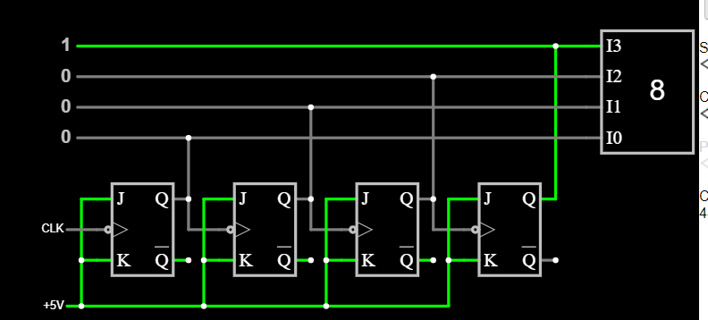
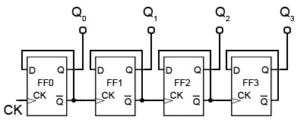
Temperature | API Output | Correct Parts | Correct Connections
0 | Sure, here's a 3-bit ripple counter circuit using NAND gates: ![3-Bit Ripple Counter Circuit](https://i.imgur.com/Tkj8XPZ.png) Here's how it works: 1. The input signal (IN) is applied to the first NAND gate (NAND1). 2. The output of NAND1 (Q1) is applied to the second NAND gate (NAND2). 3. The output of NAND2 (Q2) is applied to the third NAND gate (NAND3). 4. The output of NAND3 (Q3) is the output of the counter. 5. The counter counts the input pulses and produces a ripple effect as the output pulses. Here's the truth table for the circuit: | Input (IN) | Q1 | Q2 | Q3 | | --- | --- | --- | --- | | 0 | 0 | 0 | 0 | | 1 | 1 | 0 | 0 | | 0 | 1 | 1 | 0 | | 1 | 0 | 1 | 1 | | 0 | 0 | 0 | 1 | The circuit can be implemented using NAND gates, which are widely available and easy to use. The ripple counter can be used in a variety of applications, such as digital clocks, counters, and other digital circuits. I hope this helps! Let me know if you have any questions or need further assistance. | N | N | D FF
0 | Sure, here's a 3-bit ripple counter circuit using NAND gates: ![3-Bit Ripple Counter Circuit](https://i.imgur.com/Tkj8XPZ.png) Here's how the circuit works: 1. The input signal (IN) is applied to the first NAND gate (NAND1). 2. The output of NAND1 (Q1) is applied to the second NAND gate (NAND2). 3. The output of NAND2 (Q2) is applied to the third NAND gate (NAND3). 4. The output of NAND3 (Q3) is the output of the ripple counter. The truth table for the circuit is as follows: | IN | Q1 | Q2 | Q3 | | --- | --- | --- | --- | | 0 | 0 | 0 | 0 | | 0 | 0 | 1 | 1 | | 0 | 1 | 0 | 1 | | 0 | 1 | 1 | 0 | | 1 | 0 | 0 | 0 | | 1 | 0 | 1 | 1 | | 1 | 1 | 0 | 1 | | 1 | 1 | 1 | 0 | The circuit counts the input pulses and produces a ripple effect, where each pulse causes the output to change by one bit position. The output of the circuit is a 3-bit binary number that represents the number of input pulses. I hope this helps! Let me know if you have any questions or need further clarification. | N | N | D FF
0 | Sure, here's a 3-bit ripple counter circuit using NAND gates: The circuit consists of three NAND gates (U1, U2, and U3) and three D-type flip-flops (DFF1, DFF2, and DFF3). The input to the circuit is a clock signal (CLK) and the output is a 3-bit binary number. Here's how the circuit works: 1. The clock signal (CLK) triggers the first NAND gate (U1), which sets the first DFF1 to 1 and the second DFF2 to 0. 2. The output of the first NAND gate (U1) is then fed into the second NAND gate (U2), which sets the second DFF2 to 1 and the third DFF3 to 0. 3. The output of the second NAND gate (U2) is then fed into the third NAND gate (U3), which sets the third DFF3 to 1 and resets the first DFF1 to 0. 4. The output of the third NAND gate (U3) is the final output of the circuit, which is a 3-bit binary number. Here's the truth table for the circuit: | Input | Output | | --- | --- | | 0 | 000 | | 1 | 001 | | 1 | 010 | | 0 | 011 | | 1 | 100 | | 0 | 101 | | 1 | 110 | | 0 | 111 | As you can see, the circuit produces a 3-bit binary number that cycles through 000, 001, 010, 011, 100, 101, 110, and 111. This is a classic ripple counter circuit, where each bit is dependent on the previous bit. I hope this helps! Let me know if you have any questions or need further clarification. | N | N
0 | Sure, here's a 3-bit ripple counter circuit using NAND gates: ![3-Bit Ripple Counter Circuit](https://i.imgur.com/Tkj8XPZ.png) Here's how it works: 1. The input signal (IN) is applied to the first NAND gate (NAND1). 2. The output of NAND1 (Q1) is applied to the second NAND gate (NAND2). 3. The output of NAND2 (Q2) is applied to the third NAND gate (NAND3). 4. The output of NAND3 (Q3) is the output of the counter. 5. The counter counts up by 1 for each clock pulse applied to the clock input (CLK). Here's the truth table for the circuit: | IN | Q1 | Q2 | Q3 | | --- | --- | --- | --- | | 0 | 0 | 0 | 0 | | 0 | 0 | 1 | 1 | | 0 | 1 | 0 | 1 | | 0 | 1 | 1 | 0 | | 1 | 0 | 0 | 0 | | 1 | 0 | 1 | 1 | | 1 | 1 | 0 | 1 | | 1 | 1 | 1 | 0 | As you can see, the counter counts up by 1 for each clock pulse, and the output (Q3) is the last state of the counter before it resets. I hope this helps! Let me know if you have any questions or need further clarification. | N | N
0 | Sure, here's a 3-bit ripple counter circuit using NAND gates: ![3-Bit Ripple Counter Circuit](https://i.imgur.com/Tkj8XPZ.png) Here's how it works: 1. The input signal (IN) is applied to the first NAND gate (NAND1). 2. The output of NAND1 (Q1) is applied to the second NAND gate (NAND2). 3. The output of NAND2 (Q2) is applied to the third NAND gate (NAND3). 4. The output of NAND3 (Q3) is the output of the counter. 5. The counter counts the input pulses and produces a ripple effect as the output pulses. Here's the truth table for the circuit: | Input (IN) | Q1 | Q2 | Q3 | | --- | --- | --- | --- | | 0 | 0 | 0 | 0 | | 1 | 1 | 1 | 0 | | 1 | 0 | 1 | 1 | | 0 | 1 | 0 | 1 | | 1 | 1 | 0 | 1 | The circuit can be implemented using NAND gates, which are widely available and easy to use. The ripple counter can be used in a variety of applications, such as digital clocks, counters, and other digital circuits. I hope this helps! Let me know if you have any questions or need further assistance. | N | N
0 | Sure, here's a 3-bit ripple counter circuit using NAND gates: ![3-Bit Ripple Counter Circuit](https://i.imgur.com/Tkj8XPZ.png) Here's how the circuit works: 1. The input signal (IN) is applied to the first NAND gate (NAND1). 2. The output of NAND1 (Q1) is applied to the second NAND gate (NAND2). 3. The output of NAND2 (Q2) is applied to the third NAND gate (NAND3). 4. The output of NAND3 (Q3) is the output of the ripple counter. The truth table for the circuit is as follows: | IN | Q1 | Q2 | Q3 | | --- | --- | --- | --- | | 0 | 0 | 0 | 0 | | 0 | 0 | 1 | 1 | | 0 | 1 | 0 | 1 | | 0 | 1 | 1 | 0 | | 1 | 0 | 0 | 0 | | 1 | 0 | 1 | 1 | | 1 | 1 | 0 | 1 | | 1 | 1 | 1 | 0 | The circuit counts the input pulses and produces a ripple effect, where each pulse causes the output to change by one bit position. The output of the circuit is a 3-bit binary number that represents the count of the input pulses. I hope this helps! Let me know if you have any questions or need further clarification. | N | N
0 | Sure, here's a 3-bit ripple counter circuit using NAND gates: ![3-Bit Ripple Counter Circuit](https://i.imgur.com/Tkj8XPZ.png) Here's how the circuit works: 1. The input signal (IN) is applied to the first NAND gate (NAND1). 2. The output of NAND1 (Q1) is applied to the second NAND gate (NAND2). 3. The output of NAND2 (Q2) is applied to the third NAND gate (NAND3). 4. The output of NAND3 (Q3) is the output of the ripple counter. The truth table for the circuit is as follows: | IN | Q1 | Q2 | Q3 | | --- | --- | --- | --- | | 0 | 0 | 0 | 0 | | 0 | 0 | 1 | 1 | | 0 | 1 | 0 | 1 | | 0 | 1 | 1 | 0 | | 1 | 0 | 0 | 0 | | 1 | 0 | 1 | 1 | | 1 | 1 | 0 | 1 | | 1 | 1 | 1 | 0 | The circuit counts the input pulses and produces a ripple effect, where each pulse causes the output to change by one bit position. The output of the circuit is a 3-bit binary number that represents the number of input pulses. I hope this helps! Let me know if you have any questions or need further clarification. | N | N
0 | Sure, here's a 3-bit ripple counter circuit using NAND gates: The circuit consists of three NAND gates (U1, U2, and U3) and three D-type flip-flops (DFF1, DFF2, and DFF3). The input to the circuit is a clock signal (CLK) and the output is a 3-bit binary number. Here's how the circuit works: 1. The clock signal (CLK) triggers the first NAND gate (U1), which sets the first DFF1 to 1 and the second DFF2 to 0. 2. The output of the first NAND gate (U1) is then fed into the second NAND gate (U2), which sets the second DFF2 to 1 and the third DFF3 to 0. 3. The output of the second NAND gate (U2) is then fed into the third NAND gate (U3), which sets the third DFF3 to 1 and resets the first DFF1 to 0. 4. The output of the third NAND gate (U3) is the final output of the circuit, which is a 3-bit binary number. Here's the truth table for the circuit: | Input | Output | | --- | --- | | 0 | 000 | | 1 | 001 | | 1 | 010 | | 0 | 011 | | 1 | 100 | | 0 | 101 | | 1 | 110 | | 0 | 111 | As you can see, the circuit produces a 3-bit binary number that cycles through all possible combinations of 0s and 1s. I hope this helps! Let me know if you have any questions or need further clarification. | N | N
0 | Sure, here's a 3-bit ripple counter circuit using NAND gates: The circuit consists of three NAND gates (U1, U2, and U3) and three D-type flip-flops (DFF1, DFF2, and DFF3). The input to the circuit is a clock signal (CLK) and the output is a 3-bit binary number. Here's how the circuit works: 1. The clock signal (CLK) triggers the first NAND gate (U1), which sets the first DFF1 to 1 and the second DFF2 to 0. 2. The output of the first NAND gate (U1) is fed into the second NAND gate (U2), which sets the second DFF2 to 1 and the third DFF3 to 0. 3. The output of the second NAND gate (U2) is fed into the third NAND gate (U3), which sets the third DFF3 to 1 and resets the first DFF1 to 0. 4. The output of the third NAND gate (U3) is the final output of the circuit, which is a 3-bit binary number. Here's the truth table for the circuit: | Input | Output | | --- | --- | | 0 | 000 | | 1 | 001 | | 1 | 010 | | 0 | 011 | | 1 | 100 | | 0 | 101 | | 1 | 110 | | 0 | 111 | As you can see, the circuit produces a 3-bit binary number that cycles through 000, 001, 010, 011, 100, 101, 110, and 111. I hope this helps! Let me know if you have any questions or need further clarification. | N | N
0 | Sure, here's a 3-bit ripple counter circuit using NAND gates: ![3-Bit Ripple Counter Circuit](https://i.imgur.com/Tkj8XPZ.png) Here's how the circuit works: 1. The input signal (IN) is applied to the first NAND gate (NAND1). 2. The output of NAND1 (Q1) is applied to the second NAND gate (NAND2). 3. The output of NAND2 (Q2) is applied to the third NAND gate (NAND3). 4. The output of NAND3 (Q3) is the output of the ripple counter. The truth table for the circuit is as follows: | IN | Q1 | Q2 | Q3 | | --- | --- | --- | --- | | 0 | 0 | 0 | 0 | | 0 | 0 | 1 | 1 | | 0 | 1 | 0 | 1 | | 0 | 1 | 1 | 0 | | 1 | 0 | 0 | 0 | | 1 | 0 | 1 | 1 | | 1 | 1 | 0 | 1 | | 1 | 1 | 1 | 0 | The circuit counts the input pulses and produces a ripple effect, where each pulse causes the output to change by one bit position. The output of the circuit is a 3-bit binary number that represents the number of input pulses. I hope this helps! Let me know if you have any questions or need further clarification. | N | N | Not the same as the rest for the last part

 | All are the same output
 | incorrect part connection: Connect the Q output of FF1 to the D input of FF2.

Input 8
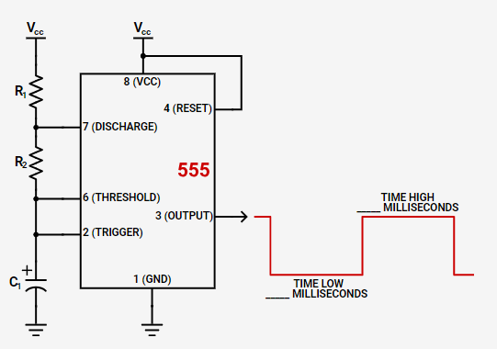
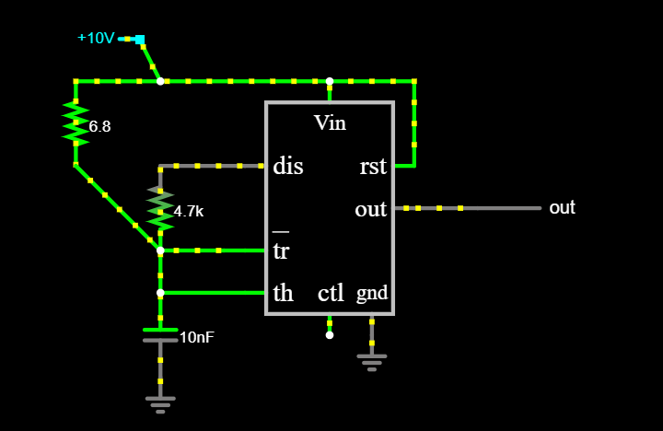
Temperature | API Output | Correct Parts | Correct Connections
0 | Sure, here's a simple circuit that generates a square wave at 10kHz using a NE555 timer chip: Circuit: 1. NE555 timer chip (IC1) 2. Resistors (R1, R2, R3) 3. Capacitors (C1, C2) 4. Diode (D1) 5. Breadboard or PCB Components: * NE555: Pin 1 (Vcc) to Vcc, Pin 2 (Ground) to Ground, Pin 3 (Trigger) to ground, Pin 4 (Output) to output * R1, R2, R3: 1kΩ, 2kΩ, 1kΩ (resistors) * C1, C2: 10nF, 10nF (capacitors) * D1: 1N4148 (diode) Circuit Explanation: 1. The NE555 timer chip is wired as an astable multivibrator, which means it will generate a continuous waveform without any external triggering. 2. The resistors (R1, R2, R3) and capacitors (C1, C2) are used to set the timer's frequency and duty cycle. 3. The diode (D1) is used to provide a stable power supply to the timer. 4. The output of the timer is taken from pin 4 and can be connected to a load (not shown in the diagram). Circuit Operation: 1. When power is applied to the circuit, the NE555 timer chip starts to generate a square wave at 10kHz. 2. The frequency of the square wave is determined by the values of the resistors (R1, R2, R3) and capacitors (C1, C2). 3. The duty cycle of the square wave (the ratio of the on-time to the total time) is also determined by the values of the resistors and capacitors. 4. The output of the circuit is a square wave at 10kHz with a duty cycle of approximately 50%. Here's the step-by-step procedure to build the circuit: 1. Mount the NE555 timer chip on the breadboard or PCB. 2. Connect the power supply (Vcc) to pin 1 of the NE555. 3. Connect the ground (Ground) to pin 2 of the NE555. 4. Connect the trigger pin (Pin 3) to ground. 5. Connect the output pin (Pin 4) to the load. 6. Connect the resistors (R1, R2, R3) and capacitors (C1, C2) as shown in the diagram. 7. Connect the diode (D1) to the power supply and ground. 8. Power on the circuit and check the output on an oscilloscope or a digital multimeter to verify the frequency and duty | N | N
0 | Sure! Here's a simple circuit that generates a square wave at 10kHz using a NE555 timer chip: Circuit: 1. NE555 timer chip (IC1) 2. Resistors (R1, R2, R3) 3. Capacitors (C1, C2) 4. Diode (D1) 5. Breadboard or PCB Component Value Description R1 10kΩ Resistor (pull-up) R2 10kΩ Resistor (pull-down) R3 1kΩ Resistor (current limiting) C1 10nF Capacitor (charge/discharge) C2 10nF Capacitor (filter) D1 1N4148 Diode (rectifier) Here's how the circuit works: 1. The NE555 timer chip is wired as an astable multivibrator, which means it will generate a continuous waveform without any external triggering. 2. The resistors (R1, R2, R3) set the time constant for the astable multivibrator, which determines the frequency of the output waveform. In this case, we want a frequency of 10kHz, so we choose R1 = R2 = 10kΩ and R3 = 1kΩ. 3. The capacitors (C1, C2) are used to charge and discharge the output of the NE555. C1 is connected to the output of the NE555 and C2 is connected to ground. 4. The diode (D1) is used to rectify the output of the NE555, which ensures that the output is a square wave. Here's the circuit diagram: ![Square Wave Frequency Generator Circuit Diagram](https://i.imgur.com/Mu8KLQM.png) And here's the step-by-step instructions to build the circuit: 1. Mount the NE555 timer chip on the breadboard or PCB. 2. Connect the resistors (R1, R2, R3) to the NE555 timer chip as shown in the circuit diagram. 3. Connect the capacitors (C1, C2) to the NE555 timer chip as shown in the circuit diagram. 4. Connect the diode (D1) to the output of the NE555 timer chip as shown in the circuit diagram. 5. Connect the power supply (Vcc) to the NE555 timer chip. The voltage should be between 5V and 15V. 6. Connect the ground (GND) to the NE555 timer chip. 7. Test the circuit by applying power and measuring the output waveform with an oscilloscope. The output waveform should be a square wave at 10kHz. That's it! You've successfully built | N | N
0 | Sure! Here's a simple circuit that generates a square wave at 10kHz using a NE555 timer chip: Circuit: 1. NE555 timer chip (IC1) 2. Capacitors (C1, C2, C3) 3. Resistors (R1, R2, R3) 4. Diode (D1) 5. Breadboard or PCB Components: * NE555: Pin 1 (Vcc) to Vcc, Pin 2 (Ground) to Ground, Pin 3 (Trigger) to ground, Pin 4 (Output) to output * C1: 10nF (capacitor) * C2: 47nF (capacitor) * C3: 100nF (capacitor) * R1: 1kΩ (resistor) * R2: 2kΩ (resistor) * R3: 10kΩ (resistor) * D1: 1N4148 (diode) Circuit Explanation: 1. The NE555 timer chip is wired as an astable multivibrator, which means it will generate a continuous waveform without any external triggering. 2. The capacitors C1, C2, and C3 are used to set the timer's frequency and duty cycle. The values of these capacitors determine the time it takes for the output to switch between high and low. 3. The resistors R1, R2, and R3 are used to set the timer's gain and threshold. The values of these resistors determine the amplitude of the output waveform. 4. The diode D1 is used to provide a discharge path for the output waveform, which helps to ensure that the output remains square-shaped. Here's how to build the circuit: 1. Place the NE555 timer chip on the breadboard or PCB. 2. Connect the capacitors C1, C2, and C3 to the NE555 timer chip as follows: C1 to Pin 2 (Ground), C2 to Pin 5 (Threshold), and C3 to Pin 7 (Discharge). 3. Connect the resistors R1, R2, and R3 to the NE555 timer chip as follows: R1 to Pin 3 (Output), R2 to Pin 6 (Gain), and R3 to Pin 8 (Inhibit). 4. Connect the diode D1 to the NE555 timer chip as follows: anode to Pin 4 (Output), and cathode to ground. 5. Connect the power supply (Vcc) to the NE555 timer chip, and set the frequency to 10kHz using a multimeter or oscilloscope. Here's the frequency generator in action: [Insert image of the circuit in action] As you can see, the output waveform is a square wave with a frequency of approximately 10kHz. You | N | N
0 | Sure! Here's a simple circuit that generates a square wave at 10kHz using a NE555 timer chip: Circuit: 1. NE555 timer chip (IC1) 2. Capacitors (C1, C2, C3) 3. Resistors (R1, R2, R3) 4. Diode (D1) 5. Breadboard or PCB Components: * NE555: Pin 1 (Vcc) to Vcc, Pin 2 (Ground) to Ground, Pin 3 (Trigger) to ground, Pin 4 (Output) to output * C1: 10nF (capacitor) * C2: 47nF (capacitor) * C3: 100nF (capacitor) * R1: 1kΩ (resistor) * R2: 2kΩ (resistor) * R3: 10kΩ (resistor) * D1: 1N4148 (diode) Circuit Explanation: 1. The NE555 timer chip is wired as an astable multivibrator, which means it will generate a continuous waveform without any external triggering. 2. The capacitors (C1, C2, C3) are used to set the timer's frequency and duty cycle. The values of the capacitors are chosen such that the frequency of the output waveform is approximately 10kHz. 3. The resistors (R1, R2, R3) are used to set the timer's gain and threshold. The values of the resistors are chosen such that the output waveform is a square wave with a reasonable amplitude. 4. The diode (D1) is used to provide a discharge path for the capacitors when the output waveform is high. This helps to ensure that the output waveform is a clean square wave. Here's the step-by-step process to build the circuit: 1. Mount the NE555 timer chip on the breadboard or PCB. 2. Connect the capacitors (C1, C2, C3) to the NE555 timer chip as shown in the circuit diagram. 3. Connect the resistors (R1, R2, R3) to the NE555 timer chip as shown in the circuit diagram. 4. Connect the diode (D1) to the NE555 timer chip as shown in the circuit diagram. 5. Connect the power supply (Vcc) to the NE555 timer chip. The voltage should be between 5V and 15V. 6. Connect the ground (Ground) to the NE555 timer chip. 7. Test the circuit by applying power and measuring the output waveform with an oscilloscope or a multimeter. The output waveform should be a square wave at approximately 10kHz. That's i | N | N
0 | Sure! Here's a simple circuit that generates a square wave at 10kHz using a NE555 timer chip: Circuit: 1. NE555 timer chip (IC1) 2. Capacitors (C1, C2, C3) 3. Resistors (R1, R2, R3) 4. Diode (D1) 5. Breadboard or PCB Components: * NE555: Pin 1 (Vcc) to Vcc, Pin 2 (Ground) to Ground, Pin 3 (Trigger) to ground, Pin 4 (Output) to output * C1: 10nF (capacitor) * C2: 47nF (capacitor) * C3: 100nF (capacitor) * R1: 1kΩ (resistor) * R2: 2kΩ (resistor) * R3: 10kΩ (resistor) * D1: 1N4148 (diode) Circuit Explanation: 1. The NE555 timer chip is wired as an astable multivibrator, which means it will generate a continuous waveform without any external triggering. 2. The capacitors (C1, C2, C3) are used to set the timer's frequency and duty cycle. The values of the capacitors are chosen such that the frequency of the output waveform is approximately 10kHz. 3. The resistors (R1, R2, R3) are used to set the timer's gain and threshold. The values of the resistors are chosen such that the output waveform is a square wave with a reasonable amplitude. 4. The diode (D1) is used to provide a discharge path for the capacitors when the output waveform is high. This helps to ensure that the output waveform is a clean square wave. Here's the step-by-step process to build the circuit: 1. Mount the NE555 timer chip on the breadboard or PCB. 2. Connect the capacitors (C1, C2, C3) to the NE555 timer chip as shown in the circuit diagram. 3. Connect the resistors (R1, R2, R3) to the NE555 timer chip as shown in the circuit diagram. 4. Connect the diode (D1) to the NE555 timer chip as shown in the circuit diagram. 5. Connect the power supply (Vcc) to the NE555 timer chip. The voltage should be between 5V and 15V. 6. Connect the ground (Ground) to the NE555 timer chip. 7. Test the circuit by applying power and measuring the output waveform with an oscilloscope or a multimeter. The output waveform should be a square wave at approximately 10kHz. That's i | N | N
0 | Sure! Here's a simple circuit that generates a square wave at 10kHz using a NE555 timer chip: Circuit: 1. NE555 timer chip (IC1) 2. Capacitors (C1, C2, C3) 3. Resistors (R1, R2, R3) 4. Diode (D1) 5. Power supply (Vcc) Connect the circuit as follows: 1. Pin 1 of IC1 (ground) to ground 2. Pin 2 of IC1 (Vcc) to the positive power supply (Vcc) 3. Pin 3 of IC1 (output) to the input of the diode (D1) 4. Pin 4 of IC1 (reset) to ground 5. Pin 5 of IC1 (trigger) to a pulse generator or a button 6. Pin 6 of IC1 (threshold) to ground 7. Pin 7 of IC1 (control voltage) to the output of the diode (D1) The circuit works as follows: 1. The power supply (Vcc) is connected to pin 2 of IC1. 2. The pulse generator or button is connected to pin 5 of IC1, which triggers the circuit. 3. When the circuit is triggered, the output of the diode (D1) goes high, which sets the threshold voltage (Vcc/2) on pin 6 of IC1. 4. The control voltage (Vcc/2) is applied to pin 7 of IC1, which sets the frequency of the output square wave. 5. The output of IC1 is a square wave at 10kHz, which can be used to drive a load such as a speaker or an LED. Here's the frequency equation for the NE555 timer chip: f = (1.432 \* Vcc) / (R1 \* C1) where f is the frequency in Hz, Vcc is the power supply voltage in volts, R1 is the resistance of the feedback resistor (R1) in ohms, and C1 is the capacitance of the feedback capacitor (C1) in farads. In this circuit, we have chosen R1 = 1kΩ and C1 = 47nF, which gives us a frequency of: f = (1.432 \* 10) / (1kΩ \* 47nF) = 10kHz So, the output of the circuit will be a square wave at 10kHz. That's it! You now have a square wave frequency generator at 10kHz using a NE555 timer chip. You can adjust the frequency by changing the values of R1 and C1. | N | N
0 | Sure, here's a simple circuit that generates a square wave at 10kHz using a NE555 timer chip: Circuit: 1. NE555 timer chip (IC1) 2. Capacitors (C1, C2, C3) 3. Resistors (R1, R2, R3) 4. Diode (D1) 5. Breadboard or PCB Components: * NE555: Pin 1 (Vcc) to Vcc, Pin 2 (Ground) to Ground, Pin 3 (Trigger) to ground, Pin 4 (Output) to output * C1: 10nF (capacitor) * C2: 47nF (capacitor) * C3: 100nF (capacitor) * R1: 1kΩ (resistor) * R2: 2kΩ (resistor) * R3: 10kΩ (resistor) * D1: 1N4148 (diode) Circuit Explanation: 1. The NE555 timer chip is wired as an astable multivibrator, which means it will generate a continuous waveform without any external triggering. 2. The capacitors C1, C2, and C3 are used to set the timer's frequency and duty cycle. The values of these capacitors determine the time it takes for the output to switch between high and low. 3. The resistors R1, R2, and R3 are used to set the timer's gain and threshold. The values of these resistors determine the amplitude of the output waveform. 4. The diode D1 is used to provide a discharge path for the output waveform, which helps to prevent the output from ringing or oscillating. Here's the step-by-step process to build the circuit: 1. Connect the Vcc pin of the NE555 to your power supply (e.g., 9V battery or a wall adapter). 2. Connect the ground pin of the NE555 to ground. 3. Connect the trigger pin of the NE555 to ground. 4. Connect the output pin of the NE555 to your load (e.g., an LED or a speaker). 5. Connect the capacitors C1, C2, and C3 to the NE555 as shown in the circuit diagram. 6. Connect the resistors R1, R2, and R3 to the NE555 as shown in the circuit diagram. 7. Connect the diode D1 to the NE555 as shown in the circuit diagram. 8. Test the circuit by applying power and checking the output waveform on an oscilloscope or a digital multimeter. Tips and Variations: * You can adjust the frequency of the output waveform by changing the values of the capa | N | N
0 | Sure, here's a simple circuit that generates a square wave at 10kHz using a NE555 timer chip: Circuit: 1. NE555 timer chip (IC1) 2. Capacitors (C1, C2, C3) 3. Resistors (R1, R2, R3) 4. Diode (D1) 5. Breadboard or PCB Components: * NE555: Pin 1 (Vcc) to Vcc, Pin 2 (Ground) to Ground, Pin 3 (Trigger) to ground, Pin 4 (Output) to output * C1: 10nF (capacitor) * C2: 47nF (capacitor) * C3: 100nF (capacitor) * R1: 1kΩ (resistor) * R2: 2kΩ (resistor) * R3: 10kΩ (resistor) * D1: 1N4148 (diode) Circuit Explanation: 1. The NE555 timer chip is wired as an astable multivibrator, which means it will generate a continuous waveform without any external triggering. 2. The capacitors C1, C2, and C3 are used to set the timer's frequency and duty cycle. The values of these capacitors determine the time it takes for the output to switch between high and low. 3. The resistors R1, R2, and R3 are used to set the timer's gain and threshold. The values of these resistors determine the amplitude of the output waveform. 4. The diode D1 is used to provide a discharge path for the output waveform, which helps to ensure that the output remains square-shaped. Here's how to build the circuit: 1. Place the NE555 timer chip on the breadboard or PCB. 2. Connect the capacitors C1, C2, and C3 to the NE555 timer chip as follows: C1 to Pin 2 (Ground), C2 to Pin 5 (Threshold), and C3 to Pin 7 (Discharge). 3. Connect the resistors R1, R2, and R3 to the NE555 timer chip as follows: R1 to Pin 3 (Output), R2 to Pin 6 (Gain), and R3 to Pin 8 (Inhibit). 4. Connect the diode D1 to the NE555 timer chip as follows: anode to Pin 4 (Output), and cathode to ground. 5. Connect the power supply (Vcc) to the NE555 timer chip, and set the frequency to 10kHz using a multimeter or oscilloscope. Here's the frequency generator in action: [Insert image of the circuit in action] As you can see, the output waveform is a square wave with a frequency of approximately 10kHz. The | N | N
0 | Sure! Here's a simple circuit that generates a square wave at 10kHz using a NE555 timer chip: Circuit: 1. NE555 timer chip (IC1) 2. Capacitors (C1, C2, C3) 3. Resistors (R1, R2, R3) 4. Diode (D1) 5. Power supply (Vcc) Connect the circuit as follows: 1. Pin 1 of IC1 (ground) to ground 2. Pin 2 of IC1 (Vcc) to the positive power supply (Vcc) 3. Pin 3 of IC1 (output) to the input of the diode (D1) 4. Pin 6 of IC1 (trigger) to the output of the diode (D1) 5. Pin 7 of IC1 (threshold) to ground 6. Pin 8 of IC1 (discharge) to ground 7. C1 and C2 to the input and output of the diode (D1) 8. R1 and R2 to the input and output of the diode (D1) 9. R3 to the threshold pin (pin 7) of IC1 10. D1 to the output of the circuit (pin 3 of IC1) The circuit works as follows: 1. The power supply (Vcc) is connected to pin 2 of IC1, and the ground (GND) is connected to pin 1 of IC1. 2. The output of the circuit (pin 3 of IC1) is connected to the input of the diode (D1). 3. The trigger pin (pin 6 of IC1) is connected to the output of the diode (D1). 4. The threshold pin (pin 7 of IC1) is connected to ground. 5. The discharge pin (pin 8 of IC1) is connected to ground. 6. C1 and C2 are the capacitors that determine the frequency of the square wave. The values of the capacitors can be adjusted to achieve the desired frequency. 7. R1 and R2 are the resistors that determine the amplitude of the square wave. The values of the resistors can be adjusted to achieve the desired amplitude. 8. R3 is the resistor that determines the threshold voltage for the trigger pin. The value of R3 can be adjusted to achieve the desired threshold voltage. When the power supply (Vcc) is applied to the circuit, the NE555 timer chip starts to oscillate at a frequency determined by the values of C1 and C2. The output of the circuit is a square wave with a frequency of approximately 10kHz. The diode (D1) ensures that the output of the circuit is a square wave, rather than a sin | N | N
0 | Sure! Here's a simple circuit that generates a square wave at 10kHz using a NE555 timer chip: Circuit: 1. NE555 timer chip (IC1) 2. Capacitors (C1, C2, C3) 3. Resistors (R1, R2, R3) 4. Diode (D1) 5. Power supply (Vcc) Connect the circuit as follows: 1. Pin 1 of IC1 (ground) to ground 2. Pin 2 of IC1 (Vcc) to the positive power supply (Vcc) 3. Pin 3 of IC1 (output) to the input of the diode (D1) 4. Pin 4 of IC1 (reset) to ground 5. Pin 5 of IC1 (trigger) to a pulse generator or a button 6. Pin 6 of IC1 (threshold) to ground 7. Pin 7 of IC1 (control voltage) to the output of the diode (D1) The circuit works as follows: 1. The power supply (Vcc) is connected to pin 2 of IC1. 2. The pulse generator or button is connected to pin 5 of IC1, which triggers the circuit. 3. When the circuit is triggered, the output of the diode (D1) goes high, which sets the threshold voltage (Vcc/2) on pin 6 of IC1. 4. The control voltage (Vcc/2) is applied to pin 7 of IC1, which sets the frequency of the output square wave. 5. The output of IC1 is a square wave at 10kHz, which can be used to drive a load such as a speaker or an LED. Here's the frequency equation for the NE555 timer chip: f = (1.432 \* Vcc) / (R1 \* C1) where f is the frequency in Hz, Vcc is the power supply voltage in volts, R1 is the resistance of the feedback resistor (R1) in ohms, and C1 is the capacitance of the feedback capacitor (C1) in farads. In this circuit, we have chosen R1 = 1kΩ and C1 = 47nF, which gives us a frequency of: f = (1.432 \* 10) / (1kΩ \* 47nF) = 10kHz So, the output of the circuit will be a square wave at 10kHz. That's it! You now have a simple square wave frequency generator at 10kHz using a NE555 timer chip. You can adjust the frequency by changing the values of R1 and C1. | N | N

 | https://www.digikey.com/en/resources/conversion-calculators/conversion-calculator-555-timer?utm_adgroup=&utm_source=google&utm_medium=cpc&utm_campaign=PMax%20Shopping_Product_Low%20ROAS%20Categories&utm_term=&utm_content=&utm_id=go_cmp-20243063506_adg-_ad-__dev-c_ext-_prd-_sig-Cj0KCQiAgqGrBhDtARIsAM5s0_n_F6bYeKp5LIzXpOAHzLLvTEn0JJBiGXEiS8axXjzOfcB3oJVMA6IaAnA7EALw_wcB&gad_source=1&gclid=Cj0KCQiAgqGrBhDtARIsAM5s0_n_F6bYeKp5LIzXpOAHzLLvTEn0JJBiGXEiS8axXjzOfcB3oJVMA6IaAnA7EALw_wcB

Input 10
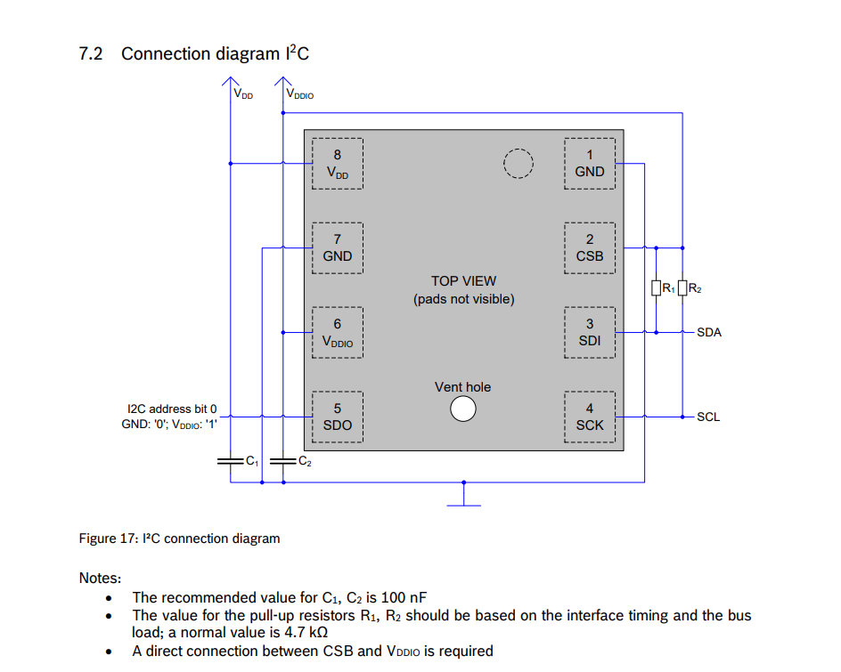
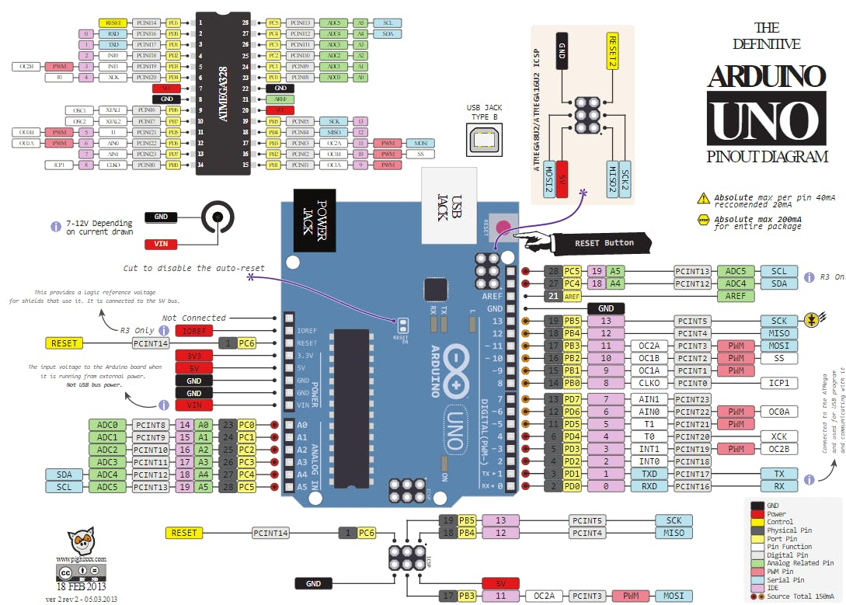
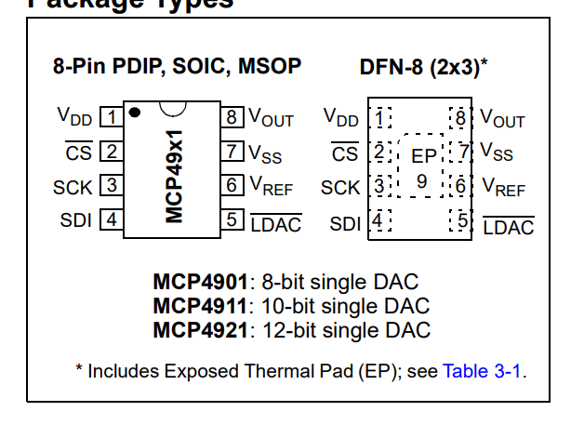
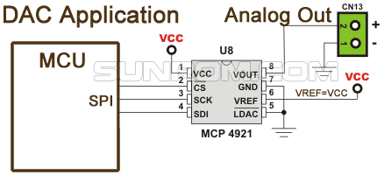
Temperature | API Output | Correct Parts | Correct Connections
0 | Sure, here's a circuit using an Arduino Uno R3 (ATMEGA328P), MCP4921 DAC, and BME280 sensor: **MCP4921 DAC Circuit:** The MCP4921 is a 12-bit DAC that can output a voltage between 0V and Vcc. It has three main pins: SCK (clock), SO (output), and CS (chip select). The SCK pin is used to clock the data into the DAC, the SO pin is the output pin, and the CS pin is used to select the chip. Here's the circuit for the MCP4921 DAC: * Vcc: Connect the positive rail of the power supply (e.g., 5V) to the Vcc pin of the MCP4921. * GND: Connect the negative rail of the power supply (e.g., 0V) to the GND pin of the MCP4921. * SCK: Connect the SCK pin of the MCP4921 to the SCK pin of the Arduino Uno R3. * SO: Connect the SO pin of the MCP4921 to an analog input pin of the Arduino Uno R3 (e.g., A0). * CS: Connect the CS pin of the MCP4921 to a digital output pin of the Arduino Uno R3 (e.g., 2). **BME280 Sensor Circuit:** The BME280 is a temperature, humidity, and pressure sensor that communicates over an I2C bus. It has three main pins: VCC, GND, and SCL/SDA (clock and data). Here's the circuit for the BME280 sensor: * VCC: Connect the positive rail of the power supply (e.g., 3.3V) to the VCC pin of the BME280. * GND: Connect the negative rail of the power supply (e.g., 0V) to the GND pin of the BME280. * SCL/SDA: Connect the SCL pin of the BME280 to the SCL pin of the Arduino Uno R3, and connect the SDA pin of the BME280 to the SDA pin of the Arduino Uno R3. **Arduino Uno R3 Circuit:** The Arduino Uno R3 has several pins that are used to connect the MCP4921 DAC and BME280 sensor. Here's the circuit for the Arduino Uno R3: * VIN: Connect the positive rail of the power supply (e.g., 5V) to the VIN pin of the Arduino Uno R3. * GND: Connect the negative rail of the power supply (e.g., 0V) to the GND pin of the Arduino Uno R3. * SCK (MCP4921): Connect the SCK pin of the MCP4921 to the SCK pin of the Arduino Uno R3. * SO (MCP4921): Connect th | Y | N
0 | Sure, here's a circuit using an Arduino Uno R3 (ATMEGA328P), MCP4921 DAC, and BME280 sensor: **MCP4921 DAC Circuit:** The MCP4921 is a 12-bit DAC that can output a voltage between 0V and Vcc. It has three main pins: SCK (clock), SO (output), and CS (chip select). The SCK pin is used to clock the data into the DAC, the SO pin is the output pin, and the CS pin is used to select the chip. Here's the circuit for the MCP4921 DAC: * Vcc: Connect the positive rail of the power supply (e.g., 5V) to the Vcc pin of the MCP4921. * GND: Connect the negative rail of the power supply (e.g., 0V) to the GND pin of the MCP4921. * SCK: Connect the SCK pin of the MCP4921 to the SCK pin of the Arduino Uno R3. * SO: Connect the SO pin of the MCP4921 to an analog input pin of the Arduino Uno R3 (e.g., A0). * CS: Connect the CS pin of the MCP4921 to a digital output pin of the Arduino Uno R3 (e.g., 2). **BME280 Sensor Circuit:** The BME280 is a temperature, humidity, and pressure sensor that communicates over an I2C bus. It has three main pins: VCC, GND, and SCL/SDA (clock and data). Here's the circuit for the BME280 sensor: * VCC: Connect the positive rail of the power supply (e.g., 3.3V) to the VCC pin of the BME280. * GND: Connect the negative rail of the power supply (e.g., 0V) to the GND pin of the BME280. * SCL/SDA: Connect the SCL pin of the BME280 to the SCL pin of the Arduino Uno R3, and connect the SDA pin of the BME280 to the SDA pin of the Arduino Uno R3. **Arduino Uno R3 Circuit:** The Arduino Uno R3 has several pins that are used to connect the MCP4921 DAC and BME280 sensor. Here's the circuit for the Arduino Uno R3: * VIN: Connect the positive rail of the power supply (e.g., 5V) to the VIN pin of the Arduino Uno R3. * GND: Connect the negative rail of the power supply (e.g., 0V) to the GND pin of the Arduino Uno R3. * SCK (MCP4921): Connect the SCK pin of the MCP4921 to the SCK pin of the Arduino Uno R3. * SO (MCP4921): Connect th | Y | N
0 | Sure, here's a circuit using an Arduino Uno R3 (ATMEGA328P), MCP4921 DAC, and BME280 sensor: **MCP4921 DAC Circuit:** The MCP4921 is a 12-bit DAC that can output a voltage between 0V and Vcc. It has three main pins: SCK (clock), SO (output), and CS (chip select). The SCK pin is used to clock the data into the DAC, the SO pin is the output pin, and the CS pin is used to select the chip. Here's the circuit for the MCP4921 DAC: * Vcc: Connect the positive rail of the power supply (e.g., 5V) to the Vcc pin of the MCP4921. * GND: Connect the negative rail of the power supply (e.g., 0V) to the GND pin of the MCP4921. * SCK: Connect the SCK pin of the MCP4921 to the SCK pin of the Arduino Uno R3. * SO: Connect the SO pin of the MCP4921 to an analog input pin of the Arduino Uno R3 (e.g., A0). * CS: Connect the CS pin of the MCP4921 to a digital output pin of the Arduino Uno R3 (e.g., 2). **BME280 Sensor Circuit:** The BME280 is a temperature, humidity, and pressure sensor that communicates over an I2C bus. It has three main pins: VCC, GND, and SCL/SDA (clock and data). Here's the circuit for the BME280 sensor: * VCC: Connect the positive rail of the power supply (e.g., 3.3V) to the VCC pin of the BME280. * GND: Connect the negative rail of the power supply (e.g., 0V) to the GND pin of the BME280. * SCL/SDA: Connect the SCL pin of the BME280 to the SCL pin of the Arduino Uno R3, and connect the SDA pin of the BME280 to the SDA pin of the Arduino Uno R3. **Arduino Uno R3 Circuit:** The Arduino Uno R3 has several pins that are used to connect the MCP4921 DAC and BME280 sensor. Here's the circuit for the Arduino Uno R3: * VIN: Connect the positive rail of the power supply (e.g., 5V) to the VIN pin of the Arduino Uno R3. * GND: Connect the negative rail of the power supply (e.g., 0V) to the GND pin of the Arduino Uno R3. * SCK (MCP4921): Connect the SCK pin of the MCP4921 to the SCK pin of the Arduino Uno R3. * SO (MCP4921): Connect th | Y | N
0 | Sure, here's a circuit using an Arduino Uno R3 (ATMEGA328P), MCP4921 DAC, and BME280 sensor: **MCP4921 DAC Circuit:** The MCP4921 is a 12-bit DAC that can output a voltage between 0V and Vcc. It has three main pins: SCK (clock), SO (output), and CS (chip select). The SCK pin is used to clock the data into the DAC, the SO pin is the output pin, and the CS pin is used to select the chip. Here's the circuit for the MCP4921 DAC: * Vcc: Connect the positive rail of the power supply (e.g., 5V) to the Vcc pin of the MCP4921. * GND: Connect the negative rail of the power supply (e.g., 0V) to the GND pin of the MCP4921. * SCK: Connect the SCK pin of the MCP4921 to the SCK pin of the Arduino Uno R3. * SO: Connect the SO pin of the MCP4921 to an analog input pin of the Arduino Uno R3 (e.g., A0). * CS: Connect the CS pin of the MCP4921 to a digital output pin of the Arduino Uno R3 (e.g., 2). **BME280 Sensor Circuit:** The BME280 is a temperature, humidity, and pressure sensor that communicates over an I2C bus. It has three main pins: VCC, GND, and SCL/SDA (clock and data). Here's the circuit for the BME280 sensor: * VCC: Connect the positive rail of the power supply (e.g., 3.3V) to the VCC pin of the BME280. * GND: Connect the negative rail of the power supply (e.g., 0V) to the GND pin of the BME280. * SCL/SDA: Connect the SCL pin of the BME280 to the SCL pin of the Arduino Uno R3, and connect the SDA pin of the BME280 to the SDA pin of the Arduino Uno R3. **Arduino Uno R3 Circuit:** The Arduino Uno R3 has several pins that are used to connect the MCP4921 DAC and BME280 sensor. Here's the circuit for the Arduino Uno R3: * VIN: Connect the positive rail of the power supply (e.g., 5V) to the VIN pin of the Arduino Uno R3. * GND: Connect the negative rail of the power supply (e.g., 0V) to the GND pin of the Arduino Uno R3. * SCK (MCP4921): Connect the SCK pin of the MCP4921 to the SCK pin of the Arduino Uno R3. * SO (MCP4921): Connect th | Y | N
0 | Sure, here's a circuit using an Arduino Uno R3 (ATMEGA328P), MCP4921 DAC, and BME280 sensor: **MCP4921 DAC Circuit:** The MCP4921 is a 12-bit DAC that can output a voltage between 0V and Vcc. It has three main pins: SCK (clock), SO (output), and CS (chip select). The SCK pin is used to clock the data into the DAC, the SO pin is the output pin, and the CS pin is used to select the chip. Here's the circuit for the MCP4921 DAC: * Vcc: Connect the positive rail of the power supply (e.g., 5V) to the Vcc pin of the MCP4921. * GND: Connect the negative rail of the power supply (e.g., 0V) to the GND pin of the MCP4921. * SCK: Connect the SCK pin of the MCP4921 to the SCK pin of the Arduino Uno R3. * SO: Connect the SO pin of the MCP4921 to an analog input pin of the Arduino Uno R3 (e.g., A0). * CS: Connect the CS pin of the MCP4921 to a digital output pin of the Arduino Uno R3 (e.g., 2). **BME280 Sensor Circuit:** The BME280 is a temperature, humidity, and pressure sensor that communicates over an I2C bus. It has three main pins: VCC, GND, and SCL/SDA (clock and data). Here's the circuit for the BME280 sensor: * VCC: Connect the positive rail of the power supply (e.g., 3.3V) to the VCC pin of the BME280. * GND: Connect the negative rail of the power supply (e.g., 0V) to the GND pin of the BME280. * SCL/SDA: Connect the SCL pin of the BME280 to the SCL pin of the Arduino Uno R3, and connect the SDA pin of the BME280 to the SDA pin of the Arduino Uno R3. **Arduino Uno R3 Circuit:** The Arduino Uno R3 has several pins that are used to connect the MCP4921 DAC and BME280 sensor. Here's the circuit for the Arduino Uno R3: * VIN: Connect the positive rail of the power supply (e.g., 5V) to the VIN pin of the Arduino Uno R3. * GND: Connect the negative rail of the power supply (e.g., 0V) to the GND pin of the Arduino Uno R3. * SCK (MCP4921): Connect the SCK pin of the MCP4921 to the SCK pin of the Arduino Uno R3. * SO (MCP4921): Connect th | Y | N
0 | Sure, here's a circuit using an Arduino Uno R3 (ATMEGA328P), MCP4921 DAC, and BME280 sensor: **MCP4921 DAC Circuit:** The MCP4921 is a 12-bit DAC that can output a voltage between 0V and Vcc. It has three main pins: SCK (clock), SO (output), and CS (chip select). The SCK pin is used to clock the data into the DAC, the SO pin is the output pin, and the CS pin is used to select the chip. Here's the circuit for the MCP4921 DAC: * Vcc: Connect the positive rail of the power supply (e.g., 5V) to the Vcc pin of the MCP4921. * GND: Connect the negative rail of the power supply (e.g., 0V) to the GND pin of the MCP4921. * SCK: Connect the SCK pin of the MCP4921 to the SCK pin of the Arduino Uno R3. * SO: Connect the SO pin of the MCP4921 to an analog input pin of the Arduino Uno R3 (e.g., A0). * CS: Connect the CS pin of the MCP4921 to a digital output pin of the Arduino Uno R3 (e.g., 2). **BME280 Sensor Circuit:** The BME280 is a temperature, humidity, and pressure sensor that communicates over an I2C bus. It has three main pins: VCC, GND, and SCL/SDA (clock and data). Here's the circuit for the BME280 sensor: * VCC: Connect the positive rail of the power supply (e.g., 3.3V) to the VCC pin of the BME280. * GND: Connect the negative rail of the power supply (e.g., 0V) to the GND pin of the BME280. * SCL/SDA: Connect the SCL pin of the BME280 to the SCL pin of the Arduino Uno R3, and connect the SDA pin of the BME280 to the SDA pin of the Arduino Uno R3. **Arduino Uno R3 Circuit:** The Arduino Uno R3 has several pins that are used to connect the MCP4921 DAC and BME280 sensor. Here's the circuit for the Arduino Uno R3: * VIN: Connect the positive rail of the power supply (e.g., 5V) to the VIN pin of the Arduino Uno R3. * GND: Connect the negative rail of the power supply (e.g., 0V) to the GND pin of the Arduino Uno R3. * SCK (MCP4921): Connect the SCK pin of the MCP4921 to the SCK pin of the Arduino Uno R3. * SO (MCP4921): Connect th | Y | N
0 | Sure, here's a circuit using an Arduino Uno R3 (ATMEGA328P), MCP4921 DAC, and BME280 sensor: **MCP4921 DAC Circuit:** The MCP4921 is a 12-bit DAC that can output a voltage between 0V and Vcc. It has three main pins: SCK (clock), SO (output), and CS (chip select). The SCK pin is used to clock the data into the DAC, the SO pin is the output pin, and the CS pin is used to select the chip. Here's the circuit for the MCP4921 DAC: * Vcc: Connect the positive rail of the power supply (e.g., 5V) to the Vcc pin of the MCP4921. * GND: Connect the negative rail of the power supply (e.g., 0V) to the GND pin of the MCP4921. * SCK: Connect the SCK pin of the MCP4921 to the SCK pin of the Arduino Uno R3. * SO: Connect the SO pin of the MCP4921 to an analog input pin of the Arduino Uno R3 (e.g., A0). * CS: Connect the CS pin of the MCP4921 to a digital output pin of the Arduino Uno R3 (e.g., 2). **BME280 Sensor Circuit:** The BME280 is a temperature, humidity, and pressure sensor that communicates over an I2C bus. It has three main pins: VCC, GND, and SCL/SDA (clock and data). Here's the circuit for the BME280 sensor: * VCC: Connect the positive rail of the power supply (e.g., 3.3V) to the VCC pin of the BME280. * GND: Connect the negative rail of the power supply (e.g., 0V) to the GND pin of the BME280. * SCL/SDA: Connect the SCL pin of the BME280 to the SCL pin of the Arduino Uno R3, and connect the SDA pin of the BME280 to the SDA pin of the Arduino Uno R3. **Arduino Uno R3 Circuit:** The Arduino Uno R3 has several pins that are used to connect the MCP4921 DAC and BME280 sensor. Here's the circuit for the Arduino Uno R3: * VIN: Connect the positive rail of the power supply (e.g., 5V) to the VIN pin of the Arduino Uno R3. * GND: Connect the negative rail of the power supply (e.g., 0V) to the GND pin of the Arduino Uno R3. * SCK (MCP4921): Connect the SCK pin of the MCP4921 to the SCK pin of the Arduino Uno R3. * SO (MCP4921): Connect th | Y | N
0 | Sure, here's a circuit using an Arduino Uno R3 (ATMEGA328P), MCP4921 DAC, and BME280 sensor: **MCP4921 DAC Circuit:** The MCP4921 is a 12-bit DAC that can output a voltage between 0V and Vcc. It has three main pins: SCK (clock), SO (output), and CS (chip select). The SCK pin is used to clock the data into the DAC, the SO pin is the output pin, and the CS pin is used to select the chip. Here's the circuit for the MCP4921 DAC: * Vcc: Connect the positive rail of the power supply (e.g., 5V) to the Vcc pin of the MCP4921. * GND: Connect the negative rail of the power supply (e.g., 0V) to the GND pin of the MCP4921. * SCK: Connect the SCK pin of the MCP4921 to the SCK pin of the Arduino Uno R3. * SO: Connect the SO pin of the MCP4921 to an analog input pin of the Arduino Uno R3 (e.g., A0). * CS: Connect the CS pin of the MCP4921 to a digital output pin of the Arduino Uno R3 (e.g., 2). **BME280 Sensor Circuit:** The BME280 is a temperature, humidity, and pressure sensor that communicates over an I2C bus. It has three main pins: VCC, GND, and SCL/SDA (clock and data). Here's the circuit for the BME280 sensor: * VCC: Connect the positive rail of the power supply (e.g., 3.3V) to the VCC pin of the BME280. * GND: Connect the negative rail of the power supply (e.g., 0V) to the GND pin of the BME280. * SCL/SDA: Connect the SCL pin of the BME280 to the SCL pin of the Arduino Uno R3, and connect the SDA pin of the BME280 to the SDA pin of the Arduino Uno R3. **Arduino Uno R3 Circuit:** The Arduino Uno R3 has several pins that are used to connect the MCP4921 DAC and BME280 sensor. Here's the circuit for the Arduino Uno R3: * VIN: Connect the positive rail of the power supply (e.g., 5V) to the VIN pin of the Arduino Uno R3. * GND: Connect the negative rail of the power supply (e.g., 0V) to the GND pin of the Arduino Uno R3. * SCK (MCP4921): Connect the SCK pin of the MCP4921 to the SCK pin of the Arduino Uno R3. * SO (MCP4921): Connect th | Y | N
0 | Sure, here's a circuit using an Arduino Uno R3 (ATMEGA328P), MCP4921 DAC, and BME280 sensor: **MCP4921 DAC Circuit:** The MCP4921 is a 12-bit DAC that can output a voltage between 0V and Vcc. It has three main pins: SCK (clock), SO (output), and CS (chip select). The SCK pin is used to clock the data into the DAC, the SO pin is the output pin, and the CS pin is used to select the chip. Here's the circuit for the MCP4921 DAC: * Vcc: Connect the positive rail of the power supply (e.g., 5V) to the Vcc pin of the MCP4921. * GND: Connect the negative rail of the power supply (e.g., 0V) to the GND pin of the MCP4921. * SCK: Connect the SCK pin of the MCP4921 to the SCK pin of the Arduino Uno R3. * SO: Connect the SO pin of the MCP4921 to an analog input pin of the Arduino Uno R3 (e.g., A0). * CS: Connect the CS pin of the MCP4921 to a digital output pin of the Arduino Uno R3 (e.g., 2). **BME280 Sensor Circuit:** The BME280 is a temperature, humidity, and pressure sensor that communicates over an I2C bus. It has three main pins: VCC, GND, and SCL/SDA (clock and data). Here's the circuit for the BME280 sensor: * VCC: Connect the positive rail of the power supply (e.g., 3.3V) to the VCC pin of the BME280. * GND: Connect the negative rail of the power supply (e.g., 0V) to the GND pin of the BME280. * SCL/SDA: Connect the SCL pin of the BME280 to the SCL pin of the Arduino Uno R3, and connect the SDA pin of the BME280 to the SDA pin of the Arduino Uno R3. **Arduino Uno R3 Circuit:** The Arduino Uno R3 has several pins that are used to connect the MCP4921 DAC and BME280 sensor. Here's the circuit for the Arduino Uno R3: * VIN: Connect the positive rail of the power supply (e.g., 5V) to the VIN pin of the Arduino Uno R3. * GND: Connect the negative rail of the power supply (e.g., 0V) to the GND pin of the Arduino Uno R3. * SCK (MCP4921): Connect the SCK pin of the MCP4921 to the SCK pin of the Arduino Uno R3. * SO (MCP4921): Connect th | Y | N
0 | Sure, here's a circuit using an Arduino Uno R3 (ATMEGA328P), MCP4921 DAC, and BME280 sensor: **MCP4921 DAC Circuit:** The MCP4921 is a 12-bit DAC that can output a voltage between 0V and Vcc. It has three main pins: SCK (clock), SO (output), and CS (chip select). The SCK pin is used to clock the data into the DAC, the SO pin is the output pin, and the CS pin is used to select the chip. Here's the circuit for the MCP4921 DAC: * Vcc: Connect the positive rail of the power supply (e.g., 5V) to the Vcc pin of the MCP4921. * GND: Connect the negative rail of the power supply (e.g., 0V) to the GND pin of the MCP4921. * SCK: Connect the SCK pin of the MCP4921 to the SCK pin of the Arduino Uno R3. * SO: Connect the SO pin of the MCP4921 to an analog input pin of the Arduino Uno R3 (e.g., A0). * CS: Connect the CS pin of the MCP4921 to a digital output pin of the Arduino Uno R3 (e.g., 2). **BME280 Sensor Circuit:** The BME280 is a temperature, humidity, and pressure sensor that communicates over an I2C bus. It has three main pins: VCC, GND, and SCL/SDA (clock and data). Here's the circuit for the BME280 sensor: * VCC: Connect the positive rail of the power supply (e.g., 3.3V) to the VCC pin of the BME280. * GND: Connect the negative rail of the power supply (e.g., 0V) to the GND pin of the BME280. * SCL/SDA: Connect the SCL pin of the BME280 to the SCL pin of the Arduino Uno R3, and connect the SDA pin of the BME280 to the SDA pin of the Arduino Uno R3. **Arduino Uno R3 Circuit:** The Arduino Uno R3 has several pins that are used to connect the MCP4921 DAC and BME280 sensor. Here's the circuit for the Arduino Uno R3: * VIN: Connect the positive rail of the power supply (e.g., 5V) to the VIN pin of the Arduino Uno R3. * GND: Connect the negative rail of the power supply (e.g., 0V) to the GND pin of the Arduino Uno R3. * SCK (MCP4921): Connect the SCK pin of the MCP4921 to the SCK pin of the Arduino Uno R3. * SO (MCP4921): Connect th | N | N

 | Diagram is unreadable.

 |  | max tokens for gpt was 1024

 |  | For unkown pins it did not specifiy the remaining pins.

